DAMA Context Diagram Info
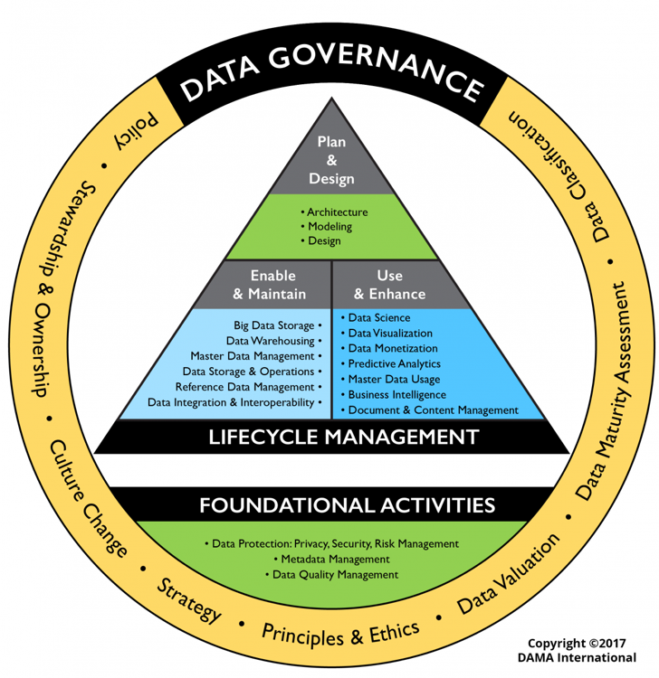
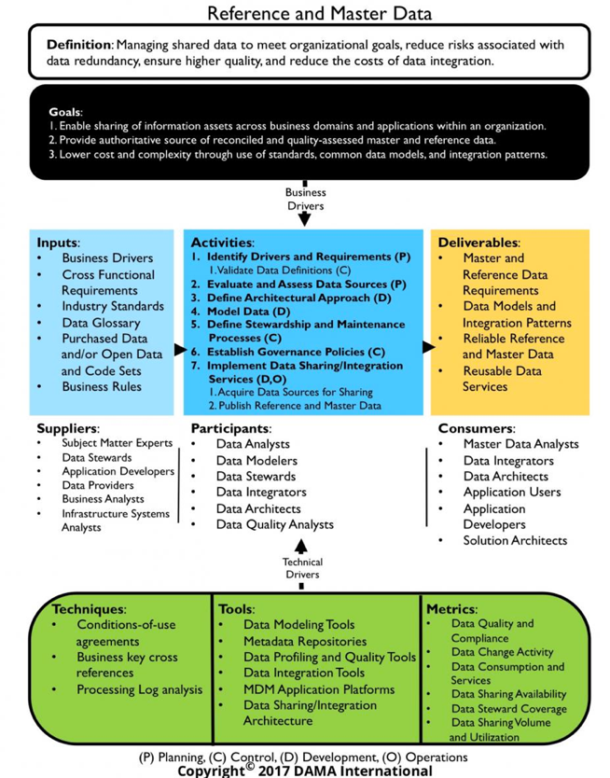

Subject Area | Type | Sub Type | Chewy HR | Value
Data Handling Ethics | Definition |  |  | Data handling ethics are concerned with how to procure, store, manage, interpret, analyze / apply and dispose of data in ways that are aligned with ethical principles, including community responsibility.
Data Governance and Stewardship | Definition |  |  | The exercise of authority, control, and shared decision-making (planning, monitoring, and enforcement) over the management of data assets.
Data Architecture | Definition |  |  | Identifying the data needs of the enterprise (regardless of structure), and designing and maintaining the master blueprints to meet those needs. Using master blueprints to guide data integration, control data assets, and align data investments with business strategy.
Data Modeling and Design | Definition |  |  | Data Modeling is the process of discovering, analyzing, and scoping data requirements, and then representing and communicating these data requirements in a precise form called the data model. This process is iterative and may include a conceptual, logical and physical model.
Data Storage and Operations | Definition |  |  | The design, implementation, and support of stored data to maximize its value.
Data Security | Definition |  |  | Definition, planning, development, and execution of security policies and procedures to provide proper authentication, authorization, access, and auditing of data and information assets.
Data Integration and Interoperability | Definition |  |  | Managing the movement and consolidation of data within and between applications and organizations.
Document and Content Management | Definition |  |  | Planning, implementation, and control activities for lifecycle management of data and information found in any form or medium.
Reference and Master Data | Definition |  |  | Managing shared data to meet organizational goals, reduce risks associated with data redundancy, ensure higher quality, and reduce the costs of data integration.
Data Warehousing and Business Intelligence | Definition |  |  | Planning, implementation, and control processes to provide decision support data and support knowledge workers engaged in reporting, query, and analysis.
Metadata Management | Definition |  |  | Planning, Implementation, and control activities to enable access to high quality, integrated metadata
Data Quality Management | Definition |  |  | The planning, implementation, and control of activities that apply quality management techniques to data, in order to assure it is fit for consumption and meets the needs of data consumers.
Big Data and Data Science | Definition |  |  | The collection (Big Data) and analysis (Data Science, Analytics and Visualization) of many different types of data to find answers and insights for questions that are not known at the start of analysis.

